LED Scenes -Test Cases
Sr. No. | Scenario | Steps | Test Case | Developer Comments | iOS Pass/Fail | Remarks | Extra Remarks
1 | Onboarding -LED Lights | Click on Plus Button in Dashboard > Choose LED Light from Electrical Section | a. Click on LED Light , User must ask to Add Device b. Click on Add Device , User must see instruction to Setup LED Light with LED Bulb Image Instruction are : in Black Bold Please continue after you have completed the below steps Step1 : Please make sure that the device is placed in then bulb holder and powered OFF x Steps : Switch ON & OFF the device slowly for 4 times . At the end of 4th time a Cool White/Warm White/Blue Light will be ON. |  | Pass | Other Onboarding procedure are similar like other product like Search a device > Enter Home WiFi Credentials > Connect with Cloud and Set Up completed
 |  | Onboarding from Dashboard | If user onboard from Dashboard then it should listed in Default room [For e.g New User My Living Room is default room] |  | Pass
 |  | Onboarding from Room | If user onboard from created new room like Bedroom then succussful onboarding device must be listed in that room like Bedroom |  | Pass

2 | Dashboard Widget for LED Lights | LED Light on Dashboard Widget | User must be able to see below components on LED Light Widget a. LED Light Name b. LED Light Added Room Name c. Toggle Button for ON and OFF Light Light d. Brightness Controller for adjust brightness from 0% to 100% e. Online and Offline Status f. LED Light Bulb Image with Colour Variation , OFF state and Brightness Controller status update states |  | Pass

3 | Online/Offline status on Dashboard Widget | User on Dashboard Widget -LED Light Online and Connected to Internet | User must able to see Online Status with Green Dot on Dashboard Widget |  | Pass
 |  | User on Dashboard Widget -LED Light Offline and Internet is disconnected | User must able to see Offline Status with Gray Dot on Dashboard Widget |  | Pass
 |  | User on Dashboard Widget -LED Light Offline and Main Power is Off | User must able to see Offline Status with Gray Dot on Dashboard Widget |  | Pass

4 | Control LED Lights from Dashboard Widget | Power ON/OFF LED Lights | User must able to ON and OFF LED Lights from Toggle Button on Dashboard Widget a. Blue Circle for Toggle indicate LED light is Power ON b. Gray Circle for Toggle Indicate LED light is Power OFF |  | Pass
 |  | Brightness Controller /Knob | a. User must able to increase and decrease led light brightness using horizontal brightness adjust . User can do 0% to 100% and reduce it desire value b. Blue indicates brightness set value and gray non brightness set value |  | Pass

5 | LED Light Details page | Click on LED Light Dashboard Widget | User must enter device details screen when clicks on dashboard widget and user must see below available option in details page. a. Switch ON/OFF toggle button b. Online/Offline status c. Temperature icon d. Colour wheel picker with combination of colors e. Gradient Picker with color value f. RGB Colour value button g. Brightness adjustment 0 to 100 |  | Pass
 |  | Click on RGB value button | User must enter RGB color value details page when clicks on RGB value button and must see below available option in RGB details page. a. Red colour light adjustment (0 to 255) b. Green colour light adjustment (0 to 255) c. Blue colour light adjustment (0 to 255) h. Done to close page and navigate back to device details page |  | Pass
 |  | LED Light with Color Temperature and Brightness control. | User must enter to temperature and brightness control page when clicks on Temperature option and must see below available option in temperature and brightness control page a. Switch ON/OFF toggle button b. Temperature picker Warm and Cool c. Brightness adjustment 0 to 100 d. Shown alert message for color choosen here will overwright the previously chosen RGB colours e. Clicks on color selector image to navigate back to device details page |  | Pass

6 | Entry From Room Management (With Custom scenes) when no custom scenes added by User | Click on Room Widget for see added LED Lights > Click on Electrical Tab | Click on Electricals Tab , User must able to see widget for group LED lights [Group can consist of number of LED lights added in that particular Room]. Title would be "LED Lights" |  | Pass
 |  | Click on Room Widget for see added LED Lights > Click on Electricals Tab>LED Widget | LED Widget must show a. Number of light count and lights text b. Toggle Button to ON/OFF All Added LEDs c. Brightness controller with Blue indicate Brightness percentage and Gray Indicate non Brightness Percentage . User can slide Horizontal left and right d. LED Widget Tappable |  | Pass
 |  | Click on Room Widget for see added LED Lights > Click on Electricals Tab>LED Widget> Click on LED Widget | User must land to LED Scenes Page |  | Pass
 |  | Click on Room Widget for see added LED Lights > Click on Electrical Tab>LED Widget> Click on LED Widget>LED Scenes Page | LED Scenes Page must show a. Room Name on Title Bar b. Toggle Button to ON/OFF All Added LEDs c. Brightness controller with Blue indicate Brightness percentage and Gray Indicate non Brightness Percentage . User can slide Horizontal left and right d. Scenes Widget e. Information on Saved Scenes Select from our range of predefined light scenes above or save your existing light settings in this room as a scene from the 'Save as Scene' button below f. Widgets with Individual LED lights with different status like Light Colour , Light Brightness .This widget are tappable |  | Pass | Info missing if there is no scenes saved (It will appear after deleted all saved scenes) e. Information on Saved Scenes Select from our range of predefined light scenes above or save your existing light settings in this room as a scene from the 'Save as Scene' button below
 |  | Click on Room Widget for see added LED Lights > Click on Electricals Tab> LED Widget> Click on LED Widget> Click on LED Scenes widget > Overlay on scenes details screen | LED Scenes light page should display Overlay indication a. Brightness Indication b. RGB Color Values (Select from 16 million colors using our RGB map) c. Light Moods (Explore our range of pre-defined moods) d. Switch to White Theme e. Color Selection (Color wheel Glow around it) (Tap on the color wheel to select from a range of 16 million colors ) |  | Pass
 |  | Click on Room Widget for see added LED Lights > Click on Electricals Tab> LED Widget> Click on LED Widget> Click on LED Scenes widget > Exit Overlay on scenes details screen | LED Scenes light page should display below details 1. LED lights scenes name on Title Bar 2. Toggle Button to ON/OFF 3. Brightness controller, Brightness percentage. 4. Options should be available a) RGB Color Values b) Light Moods c) Switch to White Theme d) Color Selection (Color wheel Glow around it) |  | Pass

7 | Entry From Room Management (With Custom scenes) when custom scenes are added by User | Click on Room Widget for see added LED Lights > Click on Electrical Tab | Click on Electricals Tab , User must able to see widget for group LED lights [Group can consist of number of LED lights added in that particular Room]. Title would be "LED Lights" |  | Pass
 |  | Click on Room Widget for see added LED Lights > Click on Electricals Tab>LED Widget | LED Widget must show a. Number of light count and lights text b. Toggle Button to ON/OFF All Added LEDs c. Brightness controller with Blue indicate Brightness percentage and Gray Indicate non Brightness Percentage . User can slide Horizontal left and right d. LED Widget Tappable |  | Pass
 |  | Click on Room Widget for see added LED Lights > Click on Electricals Tab>LED Widget> Click on LED Widget | User must land to LED Scenes Page |  | Pass
 |  | Click on Room Widget for see added LED Lights > Click on Electrical Tab>LED Widget> Click on LED Widget>LED Scenes Page | LED Scenes Page must show a. Room Name on Title Bar b. Toggle Button to ON/OFF All Added LEDs c. Brightness controller with Blue indicate Brightness percentage and Gray Indicate non Brightness Percentage . User can slide Horizontal left and right d. Preset Scenes Widget e. Information on Saved Scenes Select from our range of predefined light scenes above or save your existing light settings in this room as a scene from the 'Save as Scene' button below f. Save as Scene option to create new scenes g. Widgets with Individual LED lights with different status like Light Colour , Light Brightness .This widget are tappable |  | Pass | 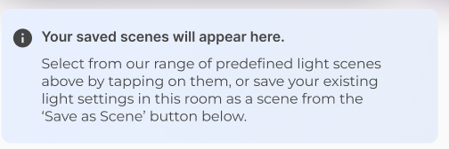 Info missing if there is no scenes saved (It will appear after deleted all saved scenes) e. Information on Saved Scenes Select from our range of predefined light scenes above or save your existing light settings in this room as a scene from the 'Save as Scene' button below
 |  | Click on Room Widget for see added LED Lights > Click on Electrical Tab>LED Widget> Click on LED Widget>LED Scenes Page > Click on Save as Scenes | Created manualy using save as scenes a) Once user has successfully saved their first scene from the Save as Scene button. b) When the user has saved multiple scenes |  | Pass | Scenes Creation journey will be added in different TC
 |  | Click on Room Widget for see added LED Lights > Click on Electricals Tab> LED Widget> Click on LED Widget> Click on LED Scenes widget > Overlay on scenes details screen | LED Scenes light page should display Overlay indication a. Brightness Indication b. RGB Color Values (Select from 16 million colors using our RGB map) c. Light Moods (Explore our range of pre-defined moods) d. Switch to White Theme e. Color Selection (Color wheel Glow around it) (Tap on the color wheel to select from a range of 16 million colors ) |  | Pass
 |  | Click on Room Widget for see added LED Lights > Click on Electricals Tab> LED Widget> Click on LED Widget> Click on LED Scenes widget > Exit Overlay on scenes details screen | LED Scenes light page should display below details 1. LED lights scenes name on Title Bar 2. Toggle Button to ON/OFF 3. Brightness controller, Brightness percentage. 4. Options should be available a) RGB Color Values b) Light Moods c) Switch to White Theme d) Color Selection (Color wheel Glow around it) |  | Pass

8 | Entry from Dashboard screen | Dashboard > LED Light widget | From dashboard User must able to see widget for individual LED lights. Title would be "LED Lights" a. Device name b. LED lights added in that particular Room details c. Toggle Button to ON/OFF d. Brightness controller with Blue indicate Brightness percentage and Gray Indicate non Brightness Percentage. User can slide Horizontal left and right e. LED Widget Tappable |  | Pass | 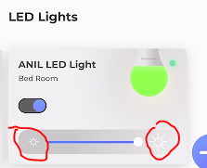 Bug num 10
 |  | Click on Room Widget for see added LED Lights > Click on LED Widget > Overlay on scenes details screen | LED Scenes light page should display Overlay indication a. Brightness Indication b. RGB Color Values (Select from 16 million colors using our RGB map) c. Light Moods (Explore our range of pre-defined moods) d. Switch to White Theme e. Color Selection (Color wheel Glow around it) (Tap on the color wheel to select from a range of 16 million colors ) |  | Pass
 |  | Click on Room Widget for see added LED Lights > Click on LED Widget > After Exit Overlay on scenes details screen | LED Scenes light page should display below details 1. LED lights scenes name on Title Bar 2. Toggle Button to ON/OFF 3. Brightness controller, Brightness percentage. 4. Options should be available a) RGB Color Values b) Light Moods c) Switch to White Theme d) Color Selection (Color wheel Glow around it) |  | Pass

9 | Save as Scene (This flow shows how users can save the existing light settings in their room at any given point in time, as a scene, which they can visit later) | Click on Room Widget for see added LED Lights > Click on Electricals Tab>LED Widget> Click on LED Widget>LED Scenes Page > Click on Save as Scenes | Pop up srceen will open with below details a. Room Lights Colors b. Name Scene* Mandatory field text box (Maximum of 10 characters allowed) c. Save and Cancel Button d. Enter name and click on Save button e. (Name) Scene saved successfully. Toast message should appear with X button to close toast message f . Click on Cancel Button user must back to LED Widget |  | Pass | User must see error message Maximum of 10 characters allowed (As per new changes not allowed 11th char and no error message show) If user try to enter more than 10 characters Link with TC 12

10 | Sequence of My Saved Scenes | Click on Room Widget for see added LED Lights > Click on Electrical Tab>LED Widget> Click on LED Widget>LED Scenes Page > Click on Save as Scenes | Sequence of My Saved Scenes: Saved scenes will show in Alphabetical order |  | Pass | Bug no 5 (As per new changes Alphabet order)

11 | Presets Scene Thumbnails | Click on Room Widget for see added LED Lights > Click on Electrical Tab>LED Widget> Click on LED Widget>LED Scenes Page > Click on Save as Scenes | a. If Custom Scene saved with one LED Light then Thumbnail must show as per coloured choose during create custom scene [e.g. Red colour choose during create scene then Thumbnail must show in Red Colour] b. If Custom Scene saved with mulitple colour LED Light then Thumbnail must show as per coloured choose during custom scene[e.g. One LED with Red and One LED with Green then Thumbails show in Red/Green Colour] |  | Pass | 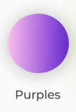 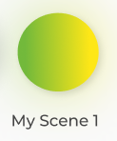

12 | Applying Saved Scenes | Click on Room Widget for see added LED Lights > Click on Electrical Tab>LED Widget> Click on LED Widget>LED Scenes Page > Click on Saved Scene | Pop up srceen will open with below details a. My Scene text with below Saved Scene Name b. Room Lights Colors list c. Apply Scene and Cancel Button d. On right side top Edit icon and Delete icon e. Click on Apply Scene button f. (Name) Scene applied successfully. Toast message should appear with X button to close toast message |  | Pass

13 | LED Lights Scenes - Delete Scene Journey | Click on Room Widget for see added LED Lights > Click on Electrical Tab>LED Widget> Click on LED Widget>LED Scenes Page > Click on Saved Scene > Click on Delete icon | Delete Pop up srceen will open with below details a. Click on Delete icon b. User must see Delete Icon with below text Delete (Scene Name) Scene? You will no longer have access to it. c. Yes and No Button d. Click on Yes button e. (Name) Scene successfully deleted. Toast message should appear with X button to close toast message |  | Pass

14 | LED Lights Scenes - Edit Scene Journey | Click on Room Widget for see added LED Lights > Click on Electrical Tab>LED Widget> Click on LED Widget>LED Scenes Page > Click on Saved Scene > Click on pen icon to edit scene | Edit Pop up srceen will open with below details a. Click on pen icon b. Edit Scene* Mandatory field text box (Maximum of 10 characters allowed) c. Update and Cancel Button d. Click on Update button e. (Name) Scene successfully edited.. Toast message should appear with X button to close toast message f . Click on Cancel Button user must back to LED Scenes Page |  | Pass | User must see error message Maximum of 10 characters allowed (As per new changes not allowed 11th char and no error message show) If user try to enter more than 10 characters | Error message coming in iOS
15 | Widget - Individual Light- OFF | Dashboard > LED Lights Dashboard widget | User power off LED Light from Application . It must need to show in Bulb image Off State in Application on Dashboard Widget Refer attach image in Remarks section |  | Pass

16 | Widget - Individual Light- Colour Variations [Only ON Condition] | Dashboard > LED Lights Dashboard widget | LED lights ON . Current colour e.g Red then on Dashboard widget Buib image must need to show Red colour . With change in colour it must update same on Bulb image. Refer attach image in Remarks section |  | Pass

17 | Widget - Individual Light- Brightness Adjust | Dashboard > LED Lights Dashboard widget | LED Light ON . Current Colour e.g Red then User made change in Brightness from Application> Change must reflect on Bulb image on Dashboard Widget and visible to end user Refer attach image in Remarks section |  | Pass

18 | Room Widget- Bulb Image variation [All LED Light are Online ] | Click on Room Widget for see added LED Lights > Click on Electrical Tab>LED Widget | if Room added with Multiple LED lights and User kept different like colours then LED Room Widget must show different coloured Bulb Image E.g. If LED1 - Red , LED2 - Blue and LED3 -Green then Widget must show Red/Blue/Green Coloured Bulb Image |  | Pass
 | Room Widget- Bulb Image variation [Somes LED Light are Offline ] | Click on Room Widget for see added LED Lights > Click on Electrical Tab>LED Widget | a. If LED Light offline , then it will not show any colour on Room Widget . B. Only Online Devices coloured update on Room Widget Bulb Image |  | Pass

19 | Group lights widget , 3 Power and Brightness States for room lighting | Click on Room Widget for see added LED Lights > Click on Electrical Tab>LED Widget> Click on LED Widget>LED Scenes Page | a. On App Bar , User must able to see Room Name as "Title" |  | Pass
 |  | Click on Room Widget for see added LED Lights > Click on Electrical Tab>LED Widget> Click on LED Widget>LED Scenes Page>3 State Toggle Button | Below Title Bar . User must able to see a. 3 States Toggle button [ALL LIGHTS ON , ALL LIGHTS OFF , SOME LIGHTS ON ] ALL LIGHTS ON - All lights in room are ON [Indicate in Blue circle Indicator] SOME LIGHTS ON -Some lights in room are ON and Some are OFF [Indicate Orange circle Inidcator at the middle of toggle button] ALL LIGHTS OFF - All lights in room are OFF [Indicate in Gray Circle Indicator] |  | Pass
 |  | Click on Room Widget for see added LED Lights > Click on Electrical Tab>LED Widget> Click on LED Widget>LED Scenes Page>Brightness Controller | Below Title Bar . User must able to see b. Brigthness Controller Knob [0 BRIGHTNESS FOR ALL ON LIGHTS , SAME BRIGHTNESS LEVEL FOR ALL ON LIGHTS , INDIVIDUAL LIGHTS HAVE VARYING BRIGHTNESS] 0 BRIGHTNESS FOR ALL ON LIGHTS- All light in room are OFF [Indicate in Gray Colour] SAME BRIGHTNESS LEVEL FOR ALL ON LIGHTS-Some lights in Room are ON and at Brightness at same level [Indicate in Blue Colour] INDIVIDUAL LIGHTS HAVE VARYING BRIGHTNESS- All lights in room having different level of brightness[Indicate in Orange Colour] |  | Pass
 |  | Click on Room Widget for see added LED Lights > Click on Electrical Tab>LED Widget>3 Power Button States | User must able to see 3 Power Button States [ALL LIGHTS ON , ALL LIGHTS OFF , SOME LIGHTS ON ] ALL LIGHTS ON - All lights in room are ON [Indicate in Blue circle Indicator] SOME LIGHTS ON -Some lights in room are ON and Some are OFF [Indicate Orange circle Inidcator at the middle of toggle button] ALL LIGHTS OFF - All lights in room are OFF [Indicate in Gray Circle Indicator] |  | Pass
 |  | Click on Room Widget for see added LED Lights > Click on Electrical Tab>LED Widget>Brightness Controller | Below Title Bar . User must able to see b. Brigthness Controller Knob [0 BRIGHTNESS FOR ALL ON LIGHTS , SAME BRIGHTNESS LEVEL FOR ALL ON LIGHTS , INDIVIDUAL LIGHTS HAVE VARYING BRIGHTNESS] 0 BRIGHTNESS FOR ALL ON LIGHTS- All light in room are OFF [Indicate in Gray Colour] SAME BRIGHTNESS LEVEL FOR ALL ON LIGHTS-Some lights in Room are ON and at Brightness at same level [Indicate in Blue Colour] INDIVIDUAL LIGHTS HAVE VARYING BRIGHTNESS- All lights in room having different level of brightness[Indicate in Orange Colour] |  | Pass

20 | White Colour Temperature Wheel | Dashboard > LED Lights Dashboard widget>LED Lights Details Page >Click on Switch to White Theme and Brightness 100% | User must able to see White Colour LED Light in Application and on Physical LED Light with Keeping Brigthness level 100% Refer image for validation |  | Pass | 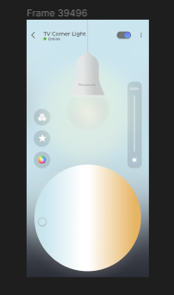 | From device side not getting change to any white theme, As per Firmware team update - Required real device to test color accurancy
 |  | Dashboard > LED Lights Dashboard widget>LED Lights Details Page >Click on Switch to White Theme and Brightness 75% | User must able to see White Colour LED Light in Application and on Physical LED Light with Keeping Brigthness level 75% Refer image for validation |  | Pass | 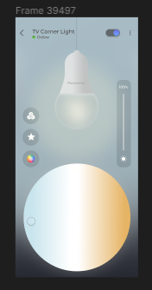 | From device side not getting change to any white theme, As per Firmware team update - Required real device to test color accurancy
 |  | Dashboard > LED Lights Dashboard widget>LED Lights Details Page >Click on Switch to White Theme and Brightness 50% | User must able to see White Colour LED Light in Application and on Physical LED Light with Keeping Brigthness level 50% Refer image for validation |  | Pass | 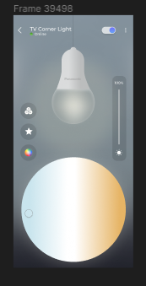 | From device side not getting change to any white theme, As per Firmware team update - Required real device to test color accurancy
 |  | Dashboard > LED Lights Dashboard widget>LED Lights Details Page >Click on Switch to White Theme and Brightness 25% | User must able to see White Colour LED Light in Application and on Physical LED Light with Keeping Brigthness level 25% Refer image for validation |  | Pass | 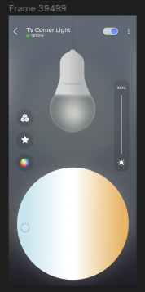 | From device side not getting change to any white theme, As per Firmware team update - Required real device to test color accurancy
 |  | Dashboard > LED Lights Dashboard widget>LED Lights Details Page >Click on Switch to White Theme and Brightness 0% | User must able to see White Colour LED Light in Application and on Physical LED Light with Keeping Brigthness level 0% Refer image for validation |  | Pass | 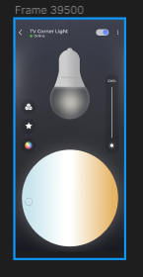 | From device side not getting change to any white theme, As per Firmware team update - Required real device to test color accurancy
 |  | Dashboard > LED Lights Dashboard widget>LED Lights Details Page >Click on Switch to White Theme >LED Light OFF state | User must able to see LED Light in Off State Refer image for validation |  | Pass | 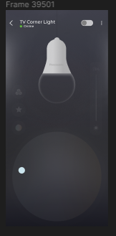

21 | OFF State for Individual LED light in LED Scenes Page |  | User must able to see Gray Colour Widget if Individual Light are OFF in LED Scene Page |  | Pass

22 | LED Lights -RGB | Click on RGB value button | User must able to change R , G and B Values . After adjust User must able to see changes |  | Pass | 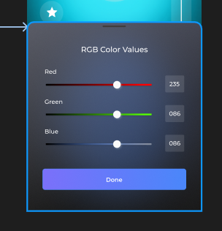

23 | Music Sync Scene | Click on Room Widget for see added LED Lights > Click on Electrical Tab>LED Widget> Click on LED Widget>LED Scenes Page | a. User must able to see "Music Sync" Preset Scene b. Click on Music Sync it will ask User to Enable "Microphone" c. After enable "Microphone " User land to Music Sync " Scene Page d. Click on Start Music Sync , User will see Music sync started and light change to 3 colours e. Click on "Cancel" User land to back to LED Scene Page f. User can able to stop Music Sync after Tap on Stop button on Music Sync Widget to exit Music Sync g. When the user stops Music sync: The light will roll back to the last active colour on the last last active mode [Colour/whites), before music sync was turned on. |  | Pass | 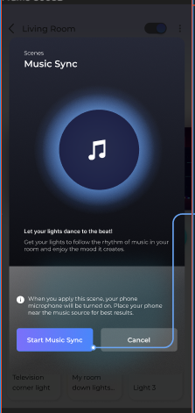
 |  | Foreground Notifications for Music Sync | User keep App in foreground . User must able to see Notification in Notifications Pane like LED Lights -Music Sync in progress. Microphone is active |  | Pass | 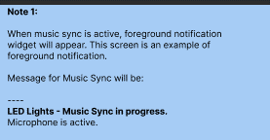
 |  | Foreground Notifications for Music Sync> Tap on Notifications | a. Tap on Notifications user must land to LED Scene Page and Show Music Sync Scene b. Foreground notification will get dismissed when the user taps on stop button on preset widget. |  | Pass |  | As per new changes, Landing to dashboard page
 |  | MirAIe Dashboard Notification | User in MirAIe App , when music sync is active, notification widget will appear . This screen in an example of foreground notification . Message for Nudge will be LED Lights -Music Sync in progress. Microphone is active |  | Pass | 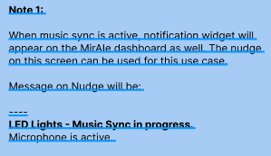
 |  | Tap on Nudge | Tap on Nudge .will bring the user to this screen |  | NA

24 | Individual Mood Lights | Click on LED Light Dashboard Widget >LED Light Details page > Tap on Light Moods icon | Tap on Light Moods icon , Bottom sheet will open with Light Moods like a. Romantic b. Sunset c. Sunrise d. Studying e. Warm White f. Cool White g. Day Light |  | Pass
 |  | Click on LED Light Dashboard Widget >LED Light Details page > Tap on Each Mood like Romantic | When the user taps on each mood , the light on screen will change to that mood. It must reflect on LED Physical Light accordingly |  | Pass | From device side not getting change to any lights moods, As per Firmware team update - Required real device to test color accurancy
 |  | Click on LED Light Dashboard Widget >LED Light Details page > Bottom Sheet with different light moods | Bottom sheet must dismiss by 3 way a. Press Back of Device b. Tapping Outside c. Dragging then handle down |  | Pass | Tapping out side not happening
 |  | Click on LED Light Dashboard Widget >LED Light Details page > Individual lights different screens | Mood Widget image must need according to confirm by UX Team |  | Pass
 |  | Click on LED Light Dashboard Widget >LED Light Details page > Individual lights different screens > Error Scenarios | User must see error like Device is taking longer than usual to respond |  | Not reproducing |  | Observing

25 | Music Sync Exit Condition | Click on Room Widget for see added LED Lights > Click on Electrical Tab>Music Sync Applied > Click on LED Widget | a. Music Sync started and User on Individual LED lights details page. User trying to change RGB Colour , White Colour Picker and Light Mood then User must prompt with pop up "Exit Music Sync?" Manually adjusting light settings will exit Music Sync for all participating lights in your home. b. User can choose "Exit" option . By selecting Exit Music Sync stopped c. User can choose "Cancel" option . Music Sync will continue |  | Pass
 |  | Click on Room Widget for see added LED Lights > Click on Electrical Tab>Music Sync Applied > Start Preset or Custom Scenes | After Start Preset or Custom Scenes , Music Sync Scene will stopped and Preset or Custom Scene Applied |  | Pass | Here no user notify for Music Sync Stopped
 |  | Click on Room Widget for see added LED Lights > Click on Electrical Tab>Music Sync Applied > Move one LED Light to another Room | a. Music Sync started and User on Individual LED lights details page. User tyring to move LED Light from One Room to Another on LED Setting Page , User must prompt with pop up "Exit Music Sync?" Changing Light Location will exit Music Sync for all participating lights in your home. b. User can choose "Exit" option . By selecting Exit Music Sync stopped c. User can choose "Cancel" option . Music Sync will continue |  | Pass

iOS Bugs
Sl. No | Steps | Issue summary | Priority | Status | Tested ver. / App center ver. | Resut Pass/Fail | Remarks | Responsibility | Status
1 | Open app > Click on Room widget | Category section is not available (Appliances, Electricals and Others) if multiple devices available | Medium |  |  | Pass
2 | Onboard device > Setup device page | Setup device showing instead of showing Setup LED device text on setup device page | Low |  |  | Pass | Common for all the devices
3 | Onboard device > Setup device page | Light image is not clear on setup device page | Low |  |  | Pass |  |  | Fixed
4 | Onboard device > Setup device page | 2nd step instruction message is wrong, Showing (Please make sure that the device in the bulb holder and password OFF) Please Update as below text 2. (Switch ON & OFF the device slowly for 4 times. At the end of 4th time a Cool White/Warm White/Blue light will be ON) | Medium |  |  | Pass
5 | Onboard device > Setup device page > Searching device page | (Select your Panasonic device to continue. Tap at the center to retry.) Text is not showing below One device found text on Searching device screen | low |  |  | NA | Common for all the devices
6 | Onboard device > Setup device page > Searching device page >Device setup complete page > Click on Add Another Device | Showing all select device page instead of setup only particular device on Device setup complete page | Medium |  |  | Pass | Common for all the devices
7 | Open app > Click on device widget > Click on setting icon > Click on Name edit icon > Common names | Common names are not available. a. Living Room Light b. Bedroom Light c. Kids Room Light d. Porch Light should be available | Low |  |  | Pass | AC, LED commons name need to add and and Update Name or Save button
8 | Click on Room Widget for see added LED Lights > Devices count | Wrong Devices count | Low |  |  | Pass
9 | Open app > Click on Room widget | Electricals tab showing Switches & Plugs | Low |  |  | Pass |  |  | Fixed
10 | Dashboard > LED Lights widget | Brightness low and High icon should similar to android | Low |  |  | Pass |  |  | Fixed
11 | Click on Room Widget for see added LED Lights > Click on Electrical Tab>LED Widget> Click on LED Widget>LED Scenes Page > Click on Saved Scene > Click on pen icon to edit scene | Hiding some Edit scene detials with behind keypad when user try to edit name field | Low |  |  | Pass | 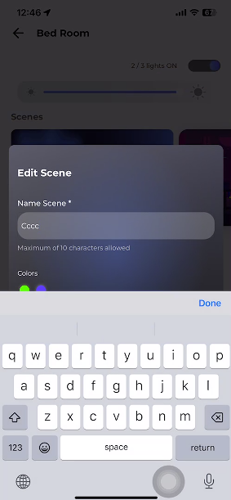 |  | Fixed
12 | Dashboard > LED Lights Dashboard widget>LED Lights Details Page >Click on Switch to White Theme >LED Light OFF state | Back ground color showing white color if LED device went Offline when it is in white theme. Getting back last color after choose Light tour instead of black background for device offline state when it is in white theme | Medium |  |  | Pass | 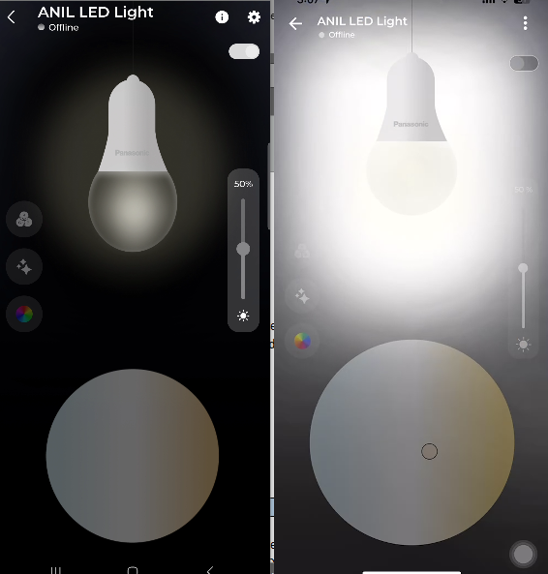 |  | Fixed
13 | Click on Room Widget for see added LED Lights > Click on Electrical Tab>LED Widget> Click on LED Widget>LED Scenes Page > Start music sync | Tap here to exit Music Sync tool tip is not present in the stop button place | Low |  |  | Pass | 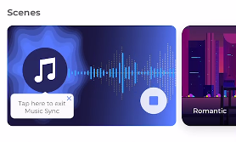 |  | Fixed
14 | User keep App in foreground . User must able to see Notification in Notifications Pane like LED Lights -Music Sync in progress. Microphone is active | No notification coming and no toast message for stopping music sync | High |  |  | Pass | Dev Inprogress |  | For stopping music sync toast message will appear.
15 | Onboard device > Setup device page > Select your home WiFi | LED light image ovelapping with SSID selection text box | Low |  |  | Pass |  |  | Fixed
16 | Dashboard screen scrolling page | Devices widget and add device plus button ovelapping on dashboard screen | Medium |  |  | Pass | Common for all the devices |  | Fixed
17 | Click on Room Widget for see added LED Lights > Click on Electrical Tab>LED Widget> Click on LED Widget>LED Scenes Page > Click on Music sync | Music icon not matching in both platform | Low |  |  | Pass | iOS side need to make it similar as android |  | Fixed
18 | Click on Room Widget for see added LED Lights > Click on Electricals Tab> LED Widget> Click on LED Widget> Click on LED Scenes widget > Overlay on scenes details screen | Light Tour and Settings page layout screen showing background for everytime instead of showing always white color | Low |  |  | Pass | 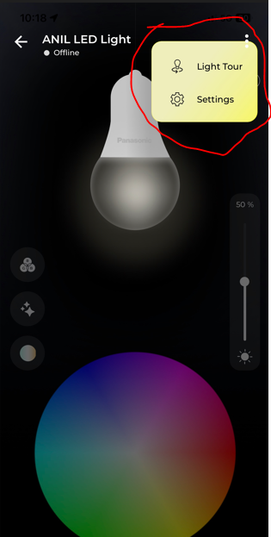
19 | Click on Room Widget for see added LED Lights > Click on Electrical Tab>LED Widget> Click on LED Widget>LED Scenes Page > Saved scene | Refreshing page issue for saved scene updating | Low |  |  | Pass
20 | Open app > Click on device widget > Click on White theme > Increase/Decrease temp | Minimum difference on Temp increase/Decrease on white theme | Medium |  |  | Pass | Improve the light area brightness changes
21 | Click on Room Widget for see added LED Lights > Click on Electrical Tab>LED Widget> Click on LED Widget>LED Scenes Page > Saved scene | Saved scene showing different color and not able to apply the color (Original is blue color but In iOS showing brown color and also if apply hardware will show blue only ) | High |  |  | Fail | 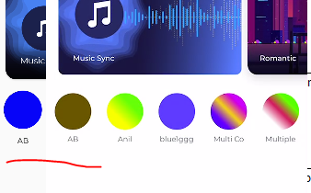 |  | Not able to reproduce, In Observation
22 | Click on Room Widget for see added LED Lights > Click on Electrical Tab>LED Widget> Click on LED Widget>LED Scenes Page > Click on Music sync | layout issue on screen | Low |  | iPhone 12 pro max | Fail

